Sheet1
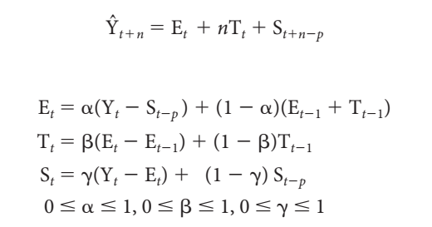
 |  | Time | Actual Claims | Base level Et | Trend Factor Tt | Seasonal Factor St | Forecast |  | alpha | 0.17903545304
Year | Month | Period |  |  |  |  |  |  | beta | 0.35686848339 | MSE | 1770181.7563
2004 | 1 | 1 | $10,159 | -- | -- | ($3,480) |  |  | gamma | 0.5
 | 2 | 2 | $11,175 | -- | -- | ($2,464)
 | 3 | 3 | $12,310 | -- | -- | ($1,329) |  | 31.a | The optimal values of alpha, beta and gamma are obtained in the table above.
 | 4 | 4 | $12,446 | -- | -- | ($1,193)
 | 5 | 5 | $13,213 | -- | -- | ($426)
Comparision of original data and predicted data
 | Actual Claims | Forecast
 | $10,159
 | $11,175
 | $12,310
 | $12,446
 | $13,213
 | $16,412
 | $17,405
 | $14,233
 | $14,606
 | $12,969
 | $13,980
 | $14,755
 | $12,300 | 10159
 | $13,224 | 11695.107914
 | $13,606 | 13338.310952
 | $13,659 | 13773.817151
 | $16,442 | 14764.50527
 | $17,334 | 18615.259437
 | $19,605 | 19648.429341
 | $18,997 | 16735.439926
 | $15,971 | 17924.621181
 | $15,740 | 16224.314569
 | $16,919 | 17404.122053
 | $18,931 | 18316.789496
 | 6 | 6 | $16,412 | -- | -- | $2,773
 | 7 | 7 | $17,405 | -- | -- | $3,766
 | 8 | 8 | $14,233 | -- | -- | $594
 | 9 | 9 | $14,606 | -- | -- | $967
 | 10 | 10 | $12,969 | -- | -- | ($670)
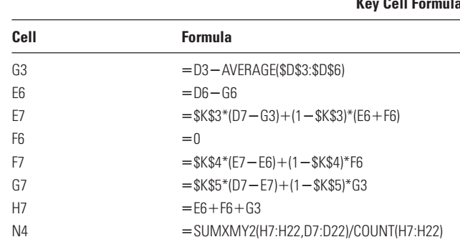
 | 11 | 11 | $13,980 | -- | -- | $341
 | 12 | 12 | $14,755 | $13,639 | 0 | $1,116
2005 | 1 | 13 | $12,300 | $14,021.90 | $136.79 | ($2,600.74) | $10,159
 | 2 | 14 | $13,224 | $14,432.42 | $234.48 | ($1,836.00) | $11,695
 | 3 | 15 | $13,606 | $14,714.82 | $251.58 | ($1,218.70) | $13,338
 | 4 | 16 | $13,659 | $14,945.84 | $244.24 | ($1,239.71) | $13,774
 | 5 | 17 | $16,442 | $15,490.42 | $351.42 | $263.00 | $14,765
 | 6 | 18 | $17,334 | $15,612.45 | $269.56 | $2,247.48 | $18,615
 | 7 | 19 | $19,605 | $15,874.24 | $266.79 | $3,748.59 | $19,648
 | 8 | 20 | $18,997 | $16,545.92 | $411.28 | $1,522.75 | $16,735
 | 9 | 21 | $15,971 | $16,607.44 | $286.46 | $165.49 | $17,925
 | 10 | 22 | $15,740 | $16,807.19 | $255.52 | ($868.39) | $16,224 | 31.b | The line graph comparing the predictions against the original data is given above.
 | 11 | 23 | $16,919 | $16,975.85 | $224.52 | $142.28 | $17,404
 | 12 | 24 | $18,931 | $17,310.34 | $263.76 | $1,368.54 | $18,317
2006 | 1 | 25 | -- |  |  |  | $14,973.36
 | 2 | 26 | -- |  |  |  | $16,001.87 | 31.c | The forecast for each month in 2006 using this technique is given in the table above in Forecast column in red text.
 | 3 | 27 | -- |  |  |  | $16,882.93
 | 4 | 28 | -- |  |  |  | $17,125.68
 | 5 | 29 | -- |  |  |  | $18,892.16
 | 6 | 30 | -- |  |  |  | $21,140.41

